Sheet1
DV | from | hospitals | to | hospitals | units costs | node | hospitals | netflow | supply/demand
0 | 1 | pittsburgh | 3 | charleston | 3 | 1 | pittsburgh | -1300 | -1300
1300 | 1 | pittsburgh | 4 | roanoke | 4 | 2 | staunton | -1100 | -1200
1100 | 2 | staunton | 3 | charleston | 3 | 3 | charleston | 300 | 300
0 | 2 | staunton | 4 | roanoke | 4 | 4 | roanoke | 200 | 200
0 | 3 | charleston | 4 | roanoke | 7 | 5 | richmond | 800 | 800
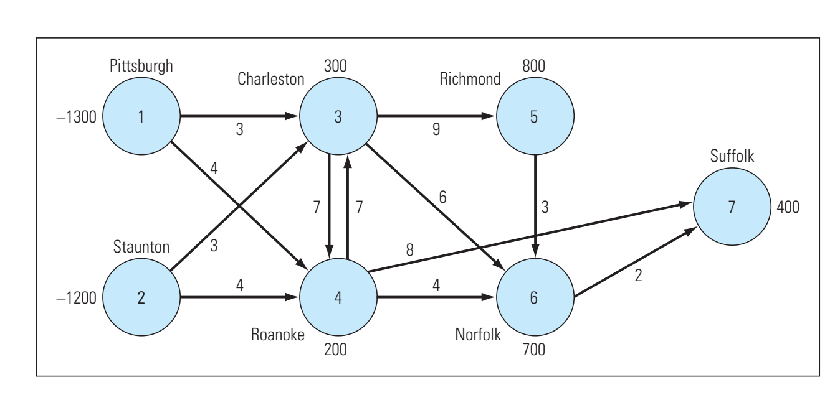
800 | 3 | charleston | 5 | richmond | 9 | 6 | norfolk | 700 | 700
0 | 3 | charleston | 6 | norfolk | 6 | 7 | duffolk | 400 | 400
0 | 4 | roanoke | 3 | charleston | 7 | supply>demand |  |  | -100
1100 | 4 | roanoke | 6 | norfolk | 4
0 | 4 | roanoke | 7 | duffolk | 8
0 | 5 | richmond | 6 | norfolk | 3
400 | 6 | norfolk | 7 | duffolk | 2

 |  |  |  | minm unit cost | 20900

